Fila Rosso
item code | color | SKU | Name | Gender | Sketch | color description | Fabric description: | WSP € | RRP € | S | M | L | XL | Stock | total Retail
683185 | I24 | 683185-I24 | Lauri Hoody | Men | 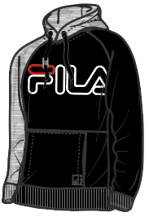 | black-light grey melange bros | 70%CO 30%PES french terry 280gsm | €24.99 | €70.00 | 20 | 30 | 30 | 20 | 100 | 7,000.00 €
687125 | A827 | 687125-A827 | Laban Hoody | Men | 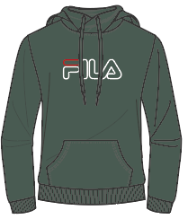 | duck green | 70%CO 30%PES french terry 280gsm | €22.99 | €65.00 | 20 | 30 | 30 | 20 | 100 | 6,500.00 €
687125 | 002 | 687125-002 | Laban Hoody | Men | 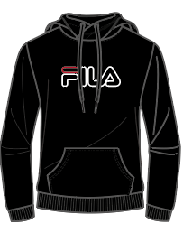 | black | 70%CO 30%PES french terry 280gsm | €22.99 | €65.00 | 20 | 30 | 30 | 20 | 100 | 6,500.00 €
687125 | B13 | 687125-B13 | Laban Hoody | Men | 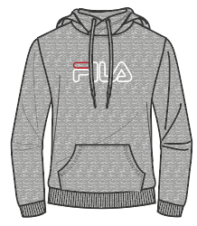 | light grey melange bros | 95%CO 5%CV french terry 280gsm | €22.99 | €65.00 | 20 | 30 | 30 | 20 | 100 | 6,500.00 €
687125 | M67 | 687125-M67 | Laban Hoody | Men | 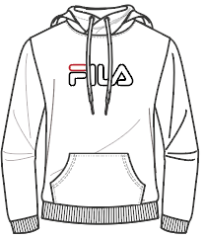 | bright white | 70%CO 30%PES french terry 280gsm | €22.99 | €65.00 | 20 | 30 | 30 | 20 | 100 | 6,500.00 €
683187 | E09 | 683187-E09 | Lars Sweat Pants | Men |  | black-bright white | 70%CO 30%PES french terry 280gsm | €20.99 | €60.00 | 20 | 30 | 30 | 20 | 100 | 6,000.00 €
687210 | 170 | 687210-170 | Wilmet Sweat Pants | Men |  | black iris | 70%CO 30%PES french terry 280gsm | €20.99 | €60.00 | 20 | 30 | 30 | 20 | 100 | 6,000.00 €
687210 | 002 | 687210-002 | Wilmet Sweat Pants | Men |  | black | 70%CO 30%PES french terry 280gsm | €20.99 | €60.00 | 20 | 30 | 30 | 20 | 100 | 6,000.00 €
687210 | B13 | 687210-B13 | Wilmet Sweat Pants | Men |  | light grey melange bros | 95%CO 5%CV | €20.99 | €60.00 | 20 | 30 | 30 | 20 | 100 | 6,000.00 €
687139 | x | 687139-x | Liam Crew Sweat | Men | 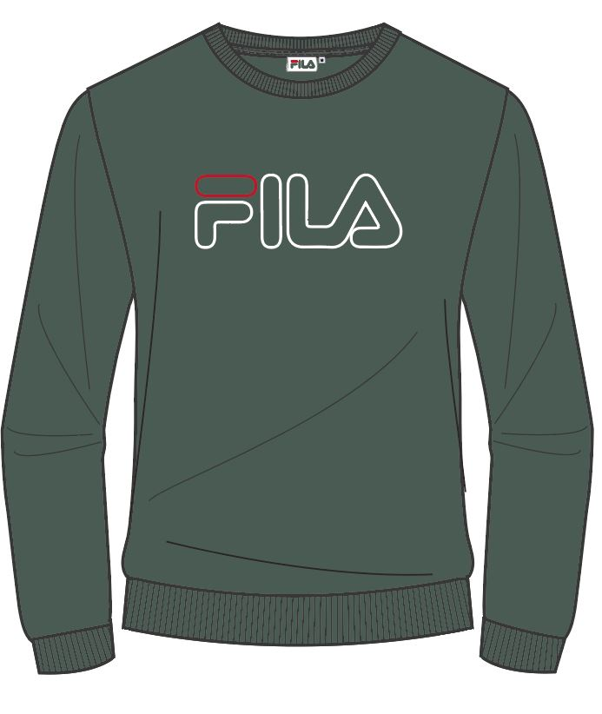 |  | 70%CO 30%PES french terry 280gsm | €18.99 | €55.00 | 20 | 30 | 30 | 20 | 100 | 5,500.00 €
687139 | 170 | 687139-170 | Liam Crew Sweat | Men | 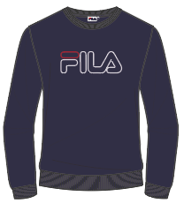 | black iris | 70%CO 30%PES french terry 280gsm | €18.99 | €55.00 | 20 | 30 | 30 | 20 | 100 | 5,500.00 €
687139 | 002 | 687139-002 | Liam Crew Sweat | Men | 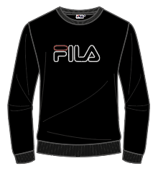 | black | 70%CO 30%PES french terry 280gsm | €18.99 | €55.00 | 20 | 30 | 30 | 20 | 100 | 5,500.00 €
683210 NEW | 2 | 683210 NEW-2 | Laurus Longsleeve Shirt | Men | 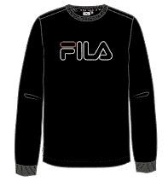 | black | 100%CO single jersey 160gsm | €12.99 | €40.00 | 20 | 30 | 30 | 20 | 100 | 4,000.00 €
683210 NEW | M67 | 683210 NEW-M67 | Laurus Longsleeve Shirt | Men | 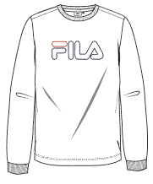 | bright white | 100%CO single jersey 160gsm | €12.99 | €40.00 | 20 | 30 | 30 | 20 | 100 | 4,000.00 €
683210 NEW | A827 | 683210 NEW-A827 | Laurus Longsleeve Shirt | Men | 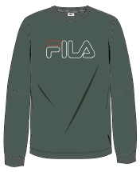 | duck green | 100%CO single jersey 160gsm | €12.99 | €40.00 | 20 | 30 | 30 | 20 | 100 | 4,000.00 €
683210 NEW | 170 | 683210 NEW-170 | Laurus Longsleeve Shirt | Men | 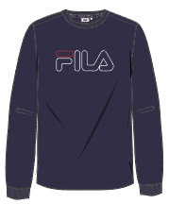 | black iris | 100%CO single jersey 160gsm | €12.99 | €40.00 | 20 | 30 | 30 | 20 | 100 | 4,000.00 €
687137 | A827 | 687137-A827 | Paul Tee | Men | 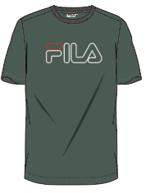 | duck green | 100%CO single jersey 160gsm | €10.99 | €35.00 | 20 | 30 | 30 | 20 | 100 | 3,500.00 €
687137 | B13 | 687137-B13 | Paul Tee | Men | 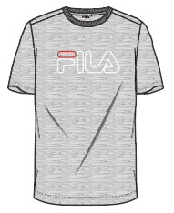 | light grey melange bros | 95%CO 5%CV single jersey 160gsm | €10.99 | €35.00 | 20 | 30 | 30 | 20 | 100 | 3,500.00 €
687137 | M67 | 687137-M67 | Paul Tee | Men | 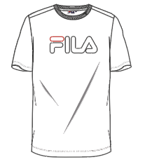 | bright white | 100%CO single jersey 160gsm | €10.99 | €35.00 | 20 | 30 | 30 | 20 | 100 | 3,500.00 €
687137 | 002 | 687137-002 | Paul Tee | Men | 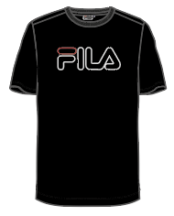 | black | 100%CO single jersey 160gsm | €10.99 | €35.00 | 20 | 30 | 30 | 20 | 100 | 3,500.00 €
 |  | - |  |  |  |  |  |  |  |  |  |  |  | 2000 | € 103,500.00

